Sheet1
Example-2 | We want to construct a box whose base length is 3 times the base width. The material used to build the top and bottom cost $10/ft2 and the material used to build the sides cost $6/ft2.
 | If the box must have a volume of 50ft3 determine the dimensions that will minimize the cost to build the box.
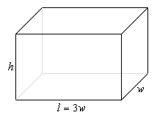

 | L | W | H | Volume
 | 5.6462510011 | 1.882083667 | 4.7051220556 | 49.999999544
 |  |  |  |  | Cost of top + bottom | 212.53433579
 |  |  |  |  | Cost Of sides | 425.06080187
 |  |  |  |  | Total Cost | 637.59513765

Reference - http://www.tkiryl.com/Calculus/Section_4.5--Optimization%20Problems/Optimization_Problems.pdf

Sheet2
Example-3 | We want to construct a box with a square base and we only have 10 m2 of material to use in construction of the box.
 | Assuming that all the material is used in the construction process determine the maximum volume that the box can have.

 |  |  |  |  | Given -
 |  |  |  |  | Surface Area = 10 m2
 |  |  |  |  | Length = Width
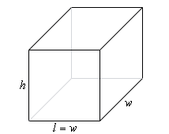
 | Variable | Variable | Given (Constraints) | Objective Function
l | w | h | Surface Area | Volume
1.2909944378 | 1.2909944378 | 1.2909944378 | 9.9999998298 | 2.1516573596

Reference - http://www.tkiryl.com/Calculus/Section_4.5--Optimization%20Problems/Optimization_Problems.pdf

